Sheet1
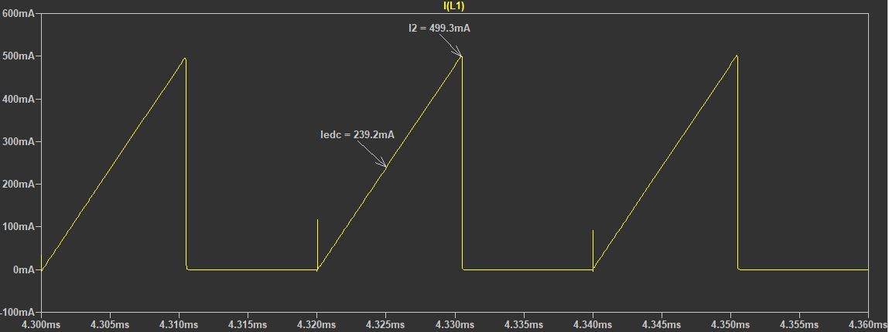
How to design a Discontinuous Conduction Mode (DCM) Flyback Converter:
Given:
 | Vin | 50 | V
 | fsw | 50 | kHz | T | 20 | us
 | D | 0.5 |  | Ton | 10 | us
 | Vout | 12 | V
 | Iout | 0.5 | A
 | KRF | 1 |  | (KRF is ripple factor)

Find:
 | Lpri | _____ | mH
 | Turn Ratio | _____

Assumption:
 | Efficiency | 100 | %

$$Pin=Pout=Vout×Iout$$
I. Solution:
1. Calculate input power based on following equation:
 | Pin | 6 | W

$$Lm= \frac{{(Vin×D)}^{2}}{2×Pin×fsw×KRF}$$
4. Calculate primary inductance Lpri based on following equation:
 | Lpri | 1.04 | mH

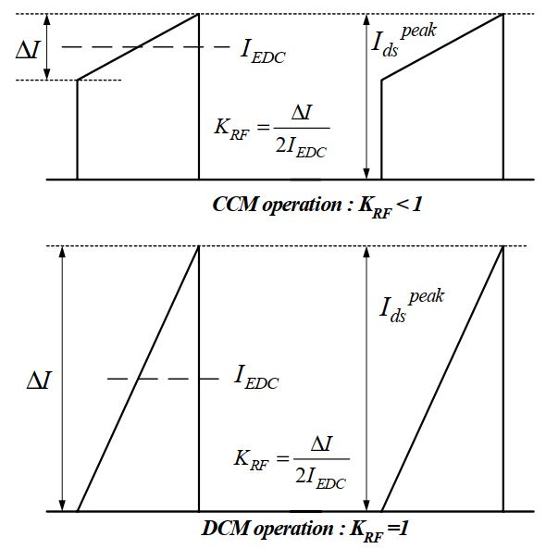

$$Turn Ratio= \frac{Vin}{Vout}$$
5. Calculate turn ratio for flyback transformer based on following equation:
 | Turn Ratio | 4.167

II. Images from LTspice:
1.Schematic:
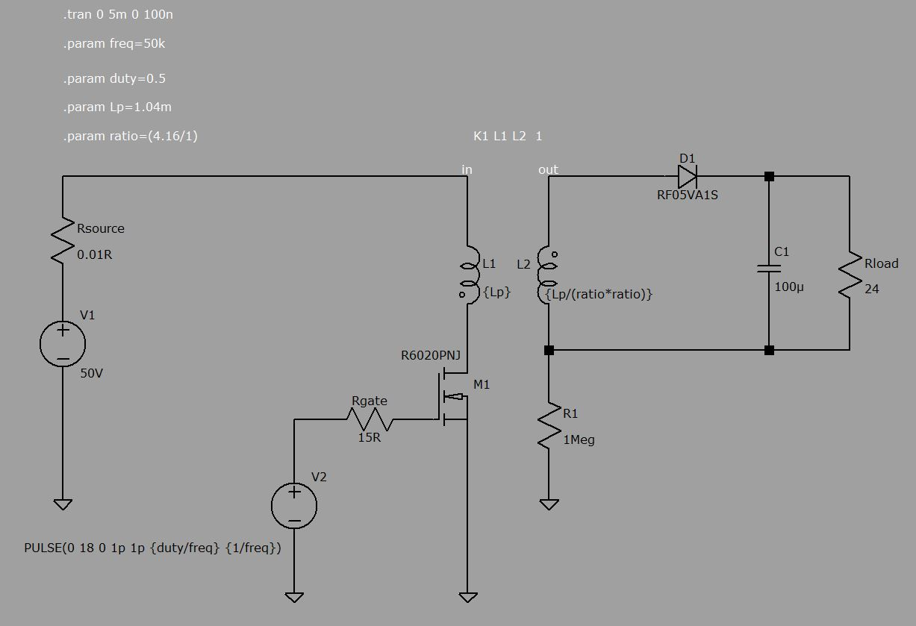

2.Waveform:
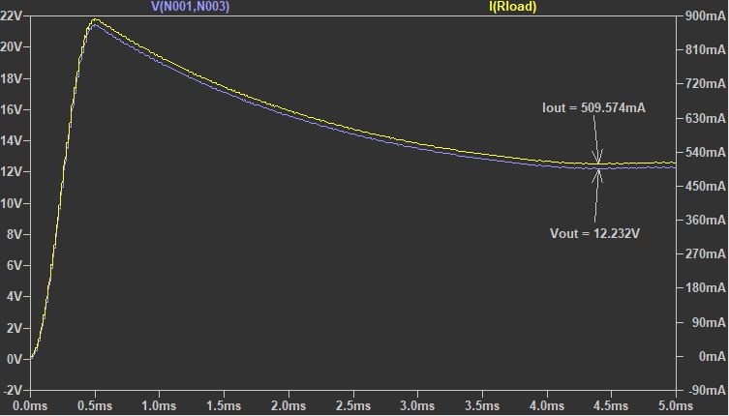

3. Primary Current

